시트1
Project Name: | NextLevel Research Conference Management System
Test CaseID | T1.17
Test Case Description | System Adminn update role of reviewer.
Created by: | Yechan Kim
Date of testing: | 13th October 2022
Actor: | System Admin
Pre-condition: | There must be existing users, reviewer.
 | Logged in as a System Admin
 | System Admin clicks the Users List

Test Step | Step Details | Test Data | Expected Results | Actual Results | Pass/Fail/Not executed/Suspended | Screenshots, if possible | Remarks
T1.17 - 1 | System Admin clicks the update button on one of the Reviewer in Users List. | user(id, email, username, password), reviewer(maxPaper, name) | The system will display the fields of Reviewer to be updated. The user will be able to view system admin fields with previous set values. | The system displays the fields of Reviewer to be updated. | Pass | 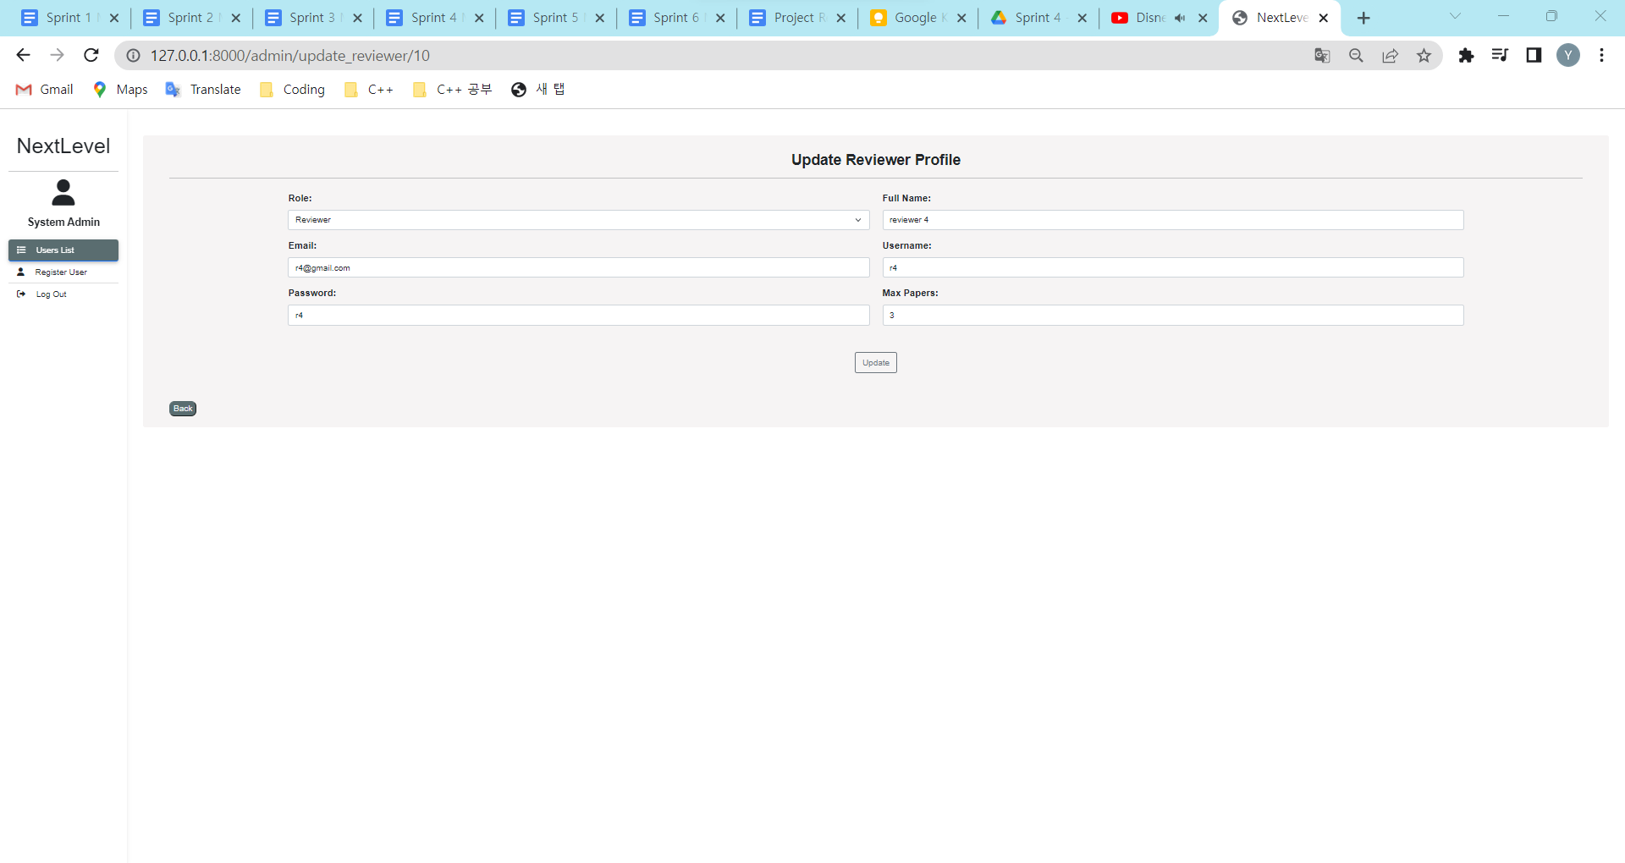
T1.17 - 2 | System Admin updates the role drop down list by choosing one of the roles, key in any information needed for the new role. | user(id, email, username, password), reviewer(maxPaper, name) | The typed details should appear in the text box The user will be able to view updating user's details in the textbox. | The typed details appears in the text box | Pass | 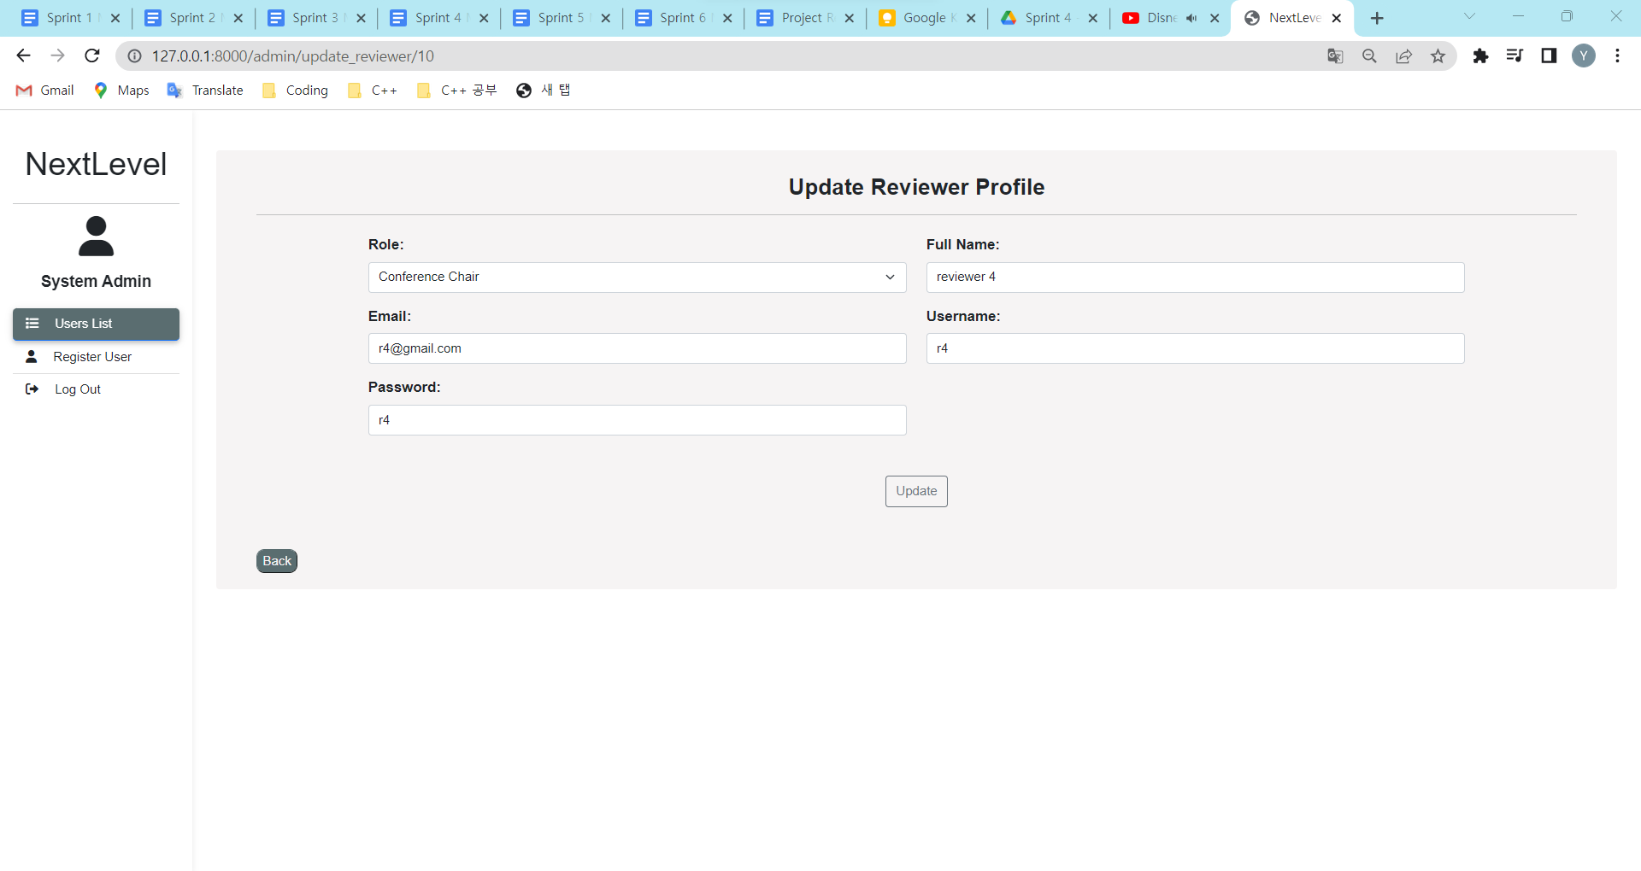
T1.17 - 3 | System admin clicks "Update" button |  | The system will verify and update the roles and direct user to view user page The user will see a success message and the user has been properly updated. | The system verifies and updates the roles and direct user to view user page | Pass | 